Sheet1
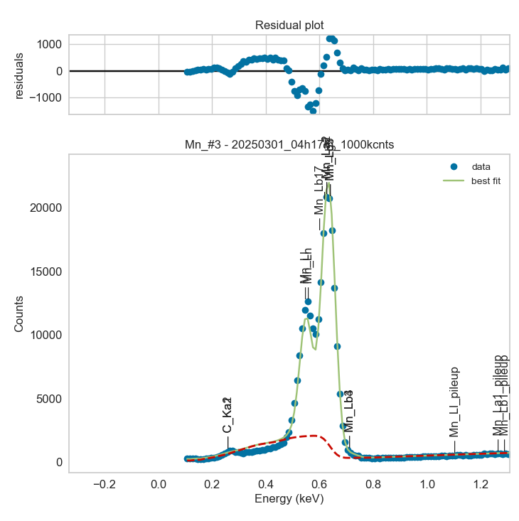
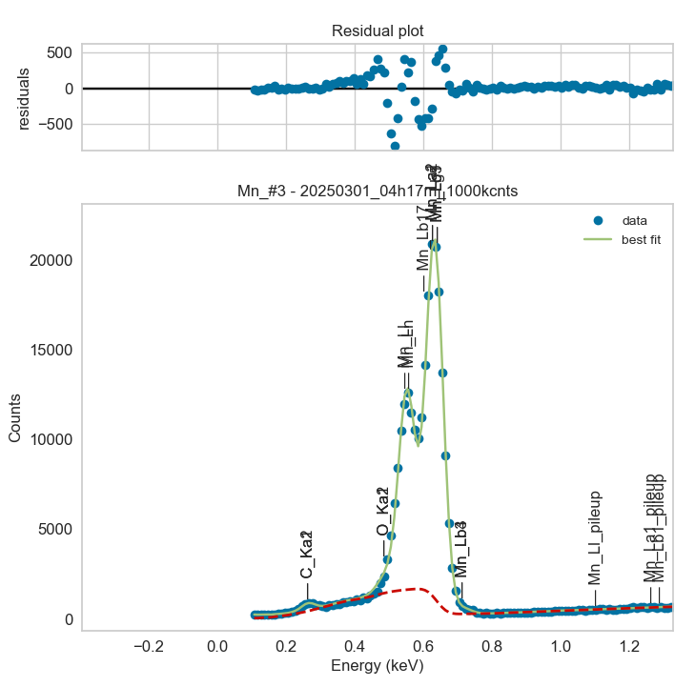
Weights calibrated measuring a pure Ti standard, bulk, polished
Area of all peaks is fitted
A constant shift is maintained across all peaks
Sigma is fixed for all peaks
Areas of peaks Lb1 and Lg5 fixed to previously fitted values

Mn |  | Meas 1 | Meas 2 | Meas 3 | Meas 4 | Meas 5 | Meas 6 | Meas 7 | Meas 8 | Meas 9 | Meas 10
La1 |  | 726.856 | 703.297 | 712.773 | 700.794 | 706.045 | 717.275 | 701.423 | 696.148 | 710.565 | 719.183
Ll |  | 392.176 | 413.222 | 381.651 | 343.977 | 401.114 | 421.584 | 400.234 | 383.388 | 414.062 | 389.765
Ln |  | 234.843 | 183.184 | 217.141 | 225.212 | 188.046 | 178.135 | 189.251 | 190.02 | 198.349 | 212.388
Lb1 |  | 363.428 | 351.648 | 356.386 | 350.397 | 353.022 | 358.638 | 350.711 | 348.074 | 355.283 | 359.591
Lg5 |  | 12.575 | 12.167 | 12.331 | 12.124 | 12.215 | 12.409 | 12.135 | 12.043 | 12.293 | 12.442
Lb3 |  | 9.141 | 8.479 | 9.117 | 10.635 | 11.287 | 9.516 | 10.754 | 11.508 | 9.372 | 9.395
Lb4 |  | 9.141 | 8.48 | 9.116 | 10.635 | 11.287 | 9.516 | 10.754 | 11.508 | 9.372 | 9.395

Line | Original w | Meas 1 | Meas 2 | Meas 3 | Meas 4 | Meas 5 | Meas 6 | Meas 7 | Meas 8 | Meas 9 | Meas 10 | Mean | Stdev | Er (%)
La1 | 1 | 1.0000 | 1.0000 | 1.0000 | 1.0000 | 1.0000 | 1.0000 | 1.0000 | 1.0000 | 1.0000 | 1.0000 | 1.0000
Ll | 5.97E-01 | 0.5396 | 0.5875 | 0.5354 | 0.4908 | 0.5681 | 0.5878 | 0.5706 | 0.5507 | 0.5827 | 0.5420 | 0.5555 | 0.0303 | 5.45
Ln | 7.06E-02 | 0.3231 | 0.2605 | 0.3046 | 0.3214 | 0.2663 | 0.2483 | 0.2698 | 0.2730 | 0.2791 | 0.2953 | 0.2841 | 0.0257 | 9.06
Ll + Ln | 0.6676 | 0.8626 | 0.8480 | 0.8401 | 0.8122 | 0.8345 | 0.8361 | 0.8404 | 0.8237 | 0.8619 | 0.8373 | 0.8397 | 0.0154 | 1.84
Lb1 | 5.00E-01 | 0.5000 | 0.5000 | 0.5000 | 0.5000 | 0.5000 | 0.5000 | 0.5000 | 0.5000 | 0.5000 | 0.5000 | 0.5000 | 0.0000 | 0.00
Lg5 | 1.73E-02 | 0.0173 | 0.0173 | 0.0173 | 0.0173 | 0.0173 | 0.0173 | 0.0173 | 0.0173 | 0.0173 | 0.0173 | 0.0173 | 0.0000 | 0.00
Lb1 + Lg5 | 0.5173 | 0.5173 | 0.5173 | 0.5173 | 0.5173 | 0.5173 | 0.5173 | 0.5173 | 0.5173 | 0.5173 | 0.5173 | 0.5173 | 0.0000 | 0.00
Lb3 | 1.78E-02 | 0.0126 | 0.0121 | 0.0128 | 0.0152 | 0.0160 | 0.0133 | 0.0153 | 0.0165 | 0.0132 | 0.0131 | 0.0140 | 0.0016 | 11.38
Lb4 | 9.46E-03 | 0.0126 | 0.0121 | 0.0128 | 0.0152 | 0.0160 | 0.0133 | 0.0153 | 0.0165 | 0.0132 | 0.0131 | 0.0140 | 0.0016 | 11.38
Lb3 + Lb4 | 0.02726 | 0.0252 | 0.0241 | 0.0256 | 0.0304 | 0.0320 | 0.0265 | 0.0307 | 0.0331 | 0.0264 | 0.0261 | 0.0280 | 0.0032 | 11.38

The fitting of peaks Lb3 + Lb4 varies, but their sum is more or less constant |  |  |  |  |  |  | The fitting of peaks Ll + Ln varies, but their sum is more or less constant
So we use the original ratios to diustribute the sum among the 2 peaks, giving: |  |  |  |  |  |  | So we use the original ratios to diustribute the sum among the 2 peaks, giving:

 | Lb3 | Lb4 | Sum |  |  |  |  | Ll | Ln | Sum
Original ratio | 0.6530 | 0.3470 |  |  |  |  | Original ratio | 0.8942 | 0.1058
Resulting weights: | 0.0183 | 0.0097 | 0.0280 |  |  |  | Resulting weights: | 0.7509 | 0.0888 | 0.8397

 | Lb1 | Lg5 | Sum
Original ratio | 0.9666 | 0.0334
Resulting weights: | 0.5000 | 0.0173 | 0.5173

 |  | Without fixing the peaks above: |  |  |  |  |  |  |  |  | Fixing the peaks above:

